Start
Indiana Cover Crop Tool
Small Farms and Gardens
Version December 2025

This file can be found accessed at:
marionswcd.org/soillhealth/
& the NRCS Indiana Field Office Technical Guide
Developed by Kevin Allison, Marion County SWCD, in partnership with USDA-NRCS Indiana.
This work is supported by the Marion County SWCD, the USDA Natural Resources Conservation Service, Clean Water Indiana, and North Central SARE. This material is based upon work that is supported by the the National Institute of Food and Agriculture, U.S. Department of Agriculture, under agreement number 2024-38640-42989 through the North Central Region SARE program under project number ENC24-233. USDA is an equal opportunity employer and service provider. Any opinions, findings, conclusions, or recommendations expressed in this publication are those of the author(s) and do not necessarily reflect the view of the U.S. Department of Agriculture. The USDA NRCS and its partners are equal opportunity provider, employer, and lenders.
Purpose and Disclaimer
The Indiana Cover Crop Tool was developed to assist with calculations related to cover crop applications, mixes, rates, and seed amounts. While we strive to provide a helpful tool, the user of this tool assumes responsibility and its use is subject to your own discretion. Pay particular attention to recommended cover crop rates – especially if recommendation(s) varies greatly from what you have done in the past.
Cost Estimate Disclaimer
This cost estimates in this workbook are not NRCS payment amounts. Refer to NRCS contract if participating in NRCS programs.
Worksheets and Reference Tables
Cover Crop Table | Reference table with cover crop species, characteristics, termination methods, and seeding rates.
Create a Mix | Create cover crop mixes and obtain seeding rates and amounts of seed needed per bed or area.
Cost and Totals | Obtain the total amount of cover crop seed needed and estimate cost.
Seeding Windows | Cover crop seeding windows for Indiana. Follow to ensure improved cover crop establishment and growth.
Helpful Area Calculator | This sheet helps calculate areas of beds and plots.
Secondary Species | Secondary cover crop species (primarily for NRCS planners).
Spreadsheet Color Coding Key
Use the color codes below to help with data entry and making selections.
Light blue | Indicates dropdown menu
White | Indicates text or numerical input
Light grey | Indicates auto-filled result
Technology Disclaimer
Many parts of this spreadsheet are intended to be protected or uneditable to maintain the tool's functionality. The Google Sheets version shows a warning if editing a cell that shouldn't be edited, but it cannot fully protect the cell. Currently, Google Sheets users must click OK to the warning to print. If you accidentaly edit a formula that shouldn't be edited, try "Edit > Undo". If you are unable to recover, you may need to download a new, fresh copy from the SWCD website.
Resources
marionswcd.org/soilhealth/
Cover Crop Overview
Cover Crop Seeding Methods
Cover Crop Termination
SARE Managing Cover Crops Profibably - 3rd Edition

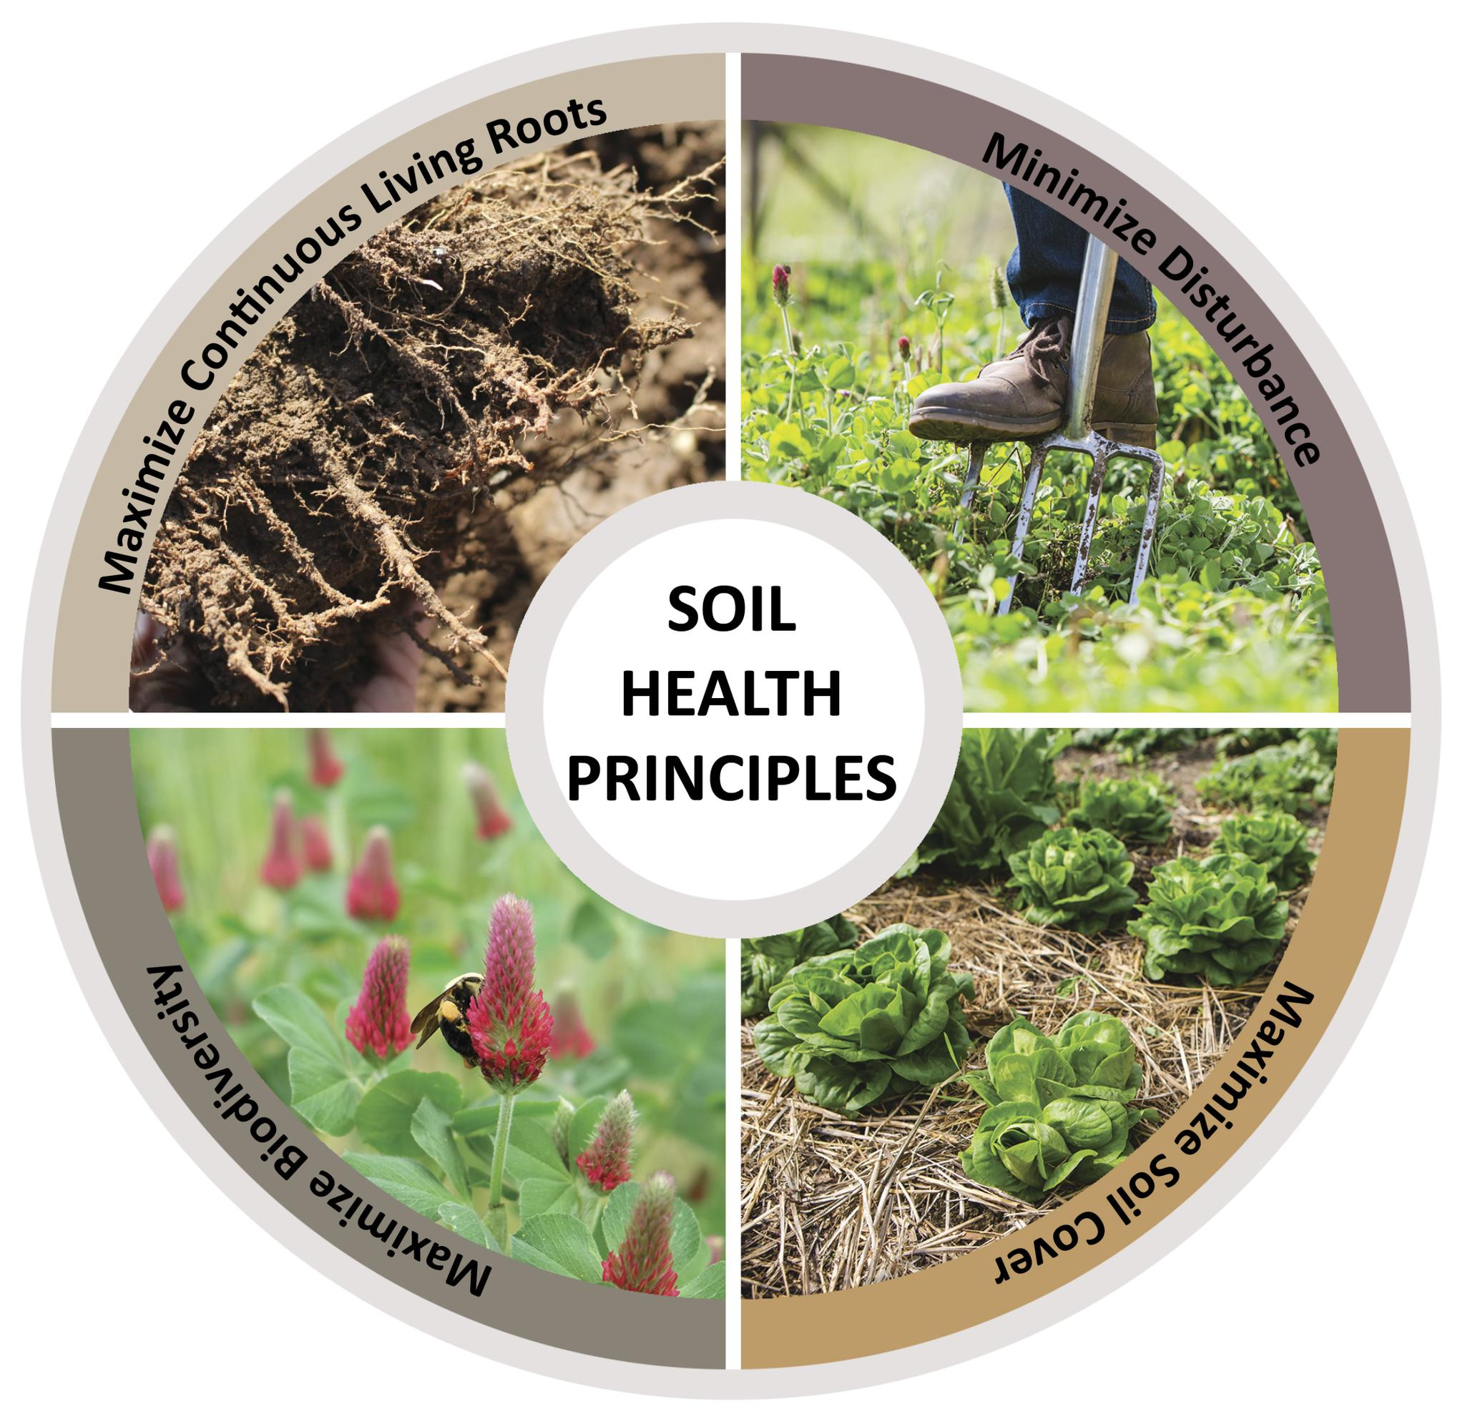
Soil Health Principles
Minimize Soil Disturbance
Maximize Soil Cover
Maximize Continuous Living Roots
Maximize Biodiversity

The USDA NRCS and its partners are equal opportunity providers, employers, and lenders.

Helpful Area Calculator
Helpful Area Calculators
This sheets helps calculate areas of a beds and plots.
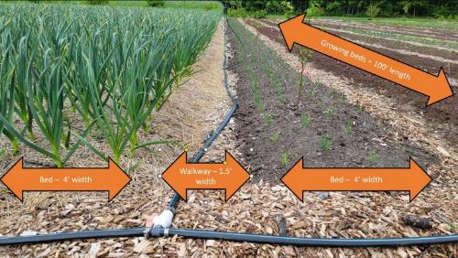
Bed and Walkway Area Calculator for Square and Rectangular Areas
Example: 5 beds, 2.5' wide and 25' long
Location / Description | # of Beds | Width (ft) | Length (ft) | Area (sqft)

Diameter Calculator for Circles
Example: A ring of mulch applied around a fruit tree
Location ID / Description | # of Beds | Diameter (ft) | Area (sqft)

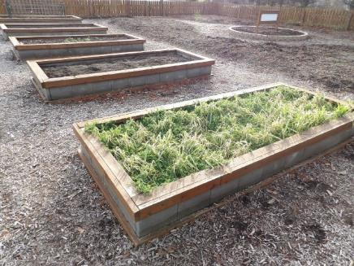
Non Growing Area Calculator
(Total Area - Growing Bed Area = Non Growing Area)
Example: The total area of a community garden, minus the area of the growing beds,
provides the area of the non growing area.
Location ID / Description | Total Area (sqft) | Growing Bed Area (sqft) | Non Growing Area (sqft)

